CI, indep, var kwn
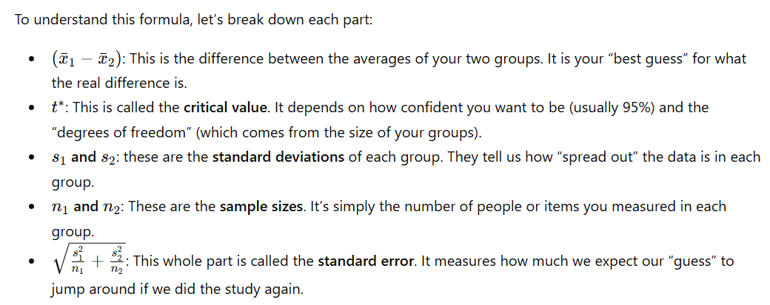
Confidence interval for the difference of two means. Independent samples, variance known
University example

 | Engineering | Management | Difference | Confidence intervals
Size | 100 | 70 | ?
Sample mean | 58 | 65 | -7.00 | Z | CI low | CI high
Population std | 10 | 5 | 1.16 | 95% | -9.28 | -4.72

95% CI, z0.025 | 1.96

